4-1
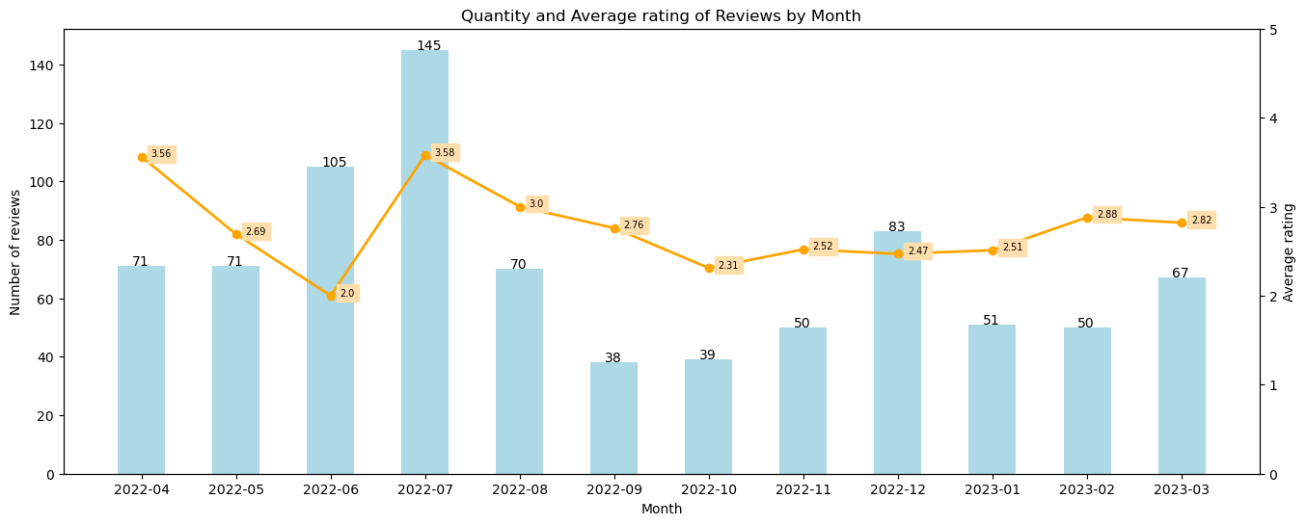
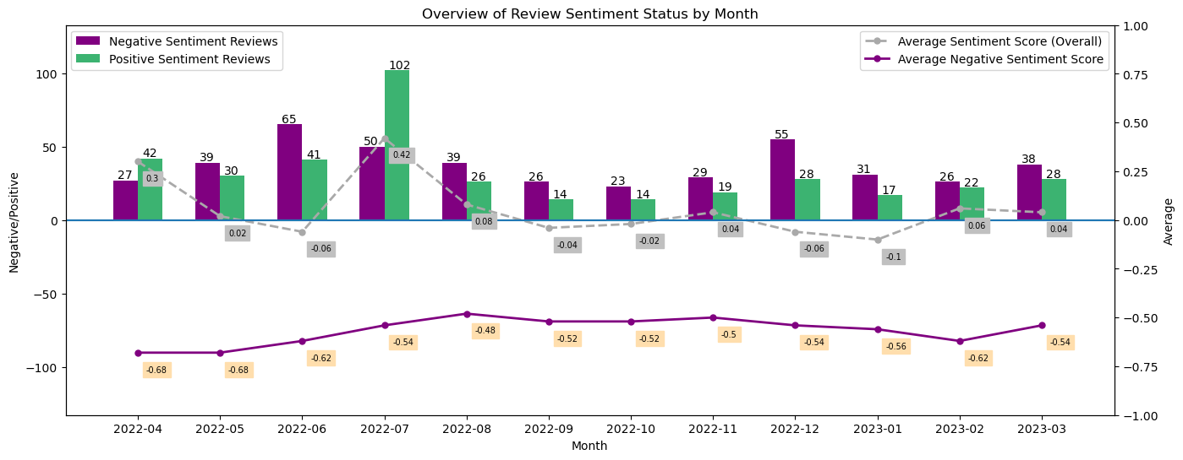
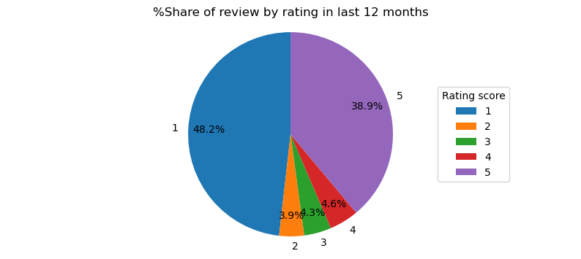
SENTIMENT
 |  | ANDROID

 | Total Reviews |  | AVG Rating | AVG Rating in 12M

 | 3573 |  | 3.44 | 2.82

4-2
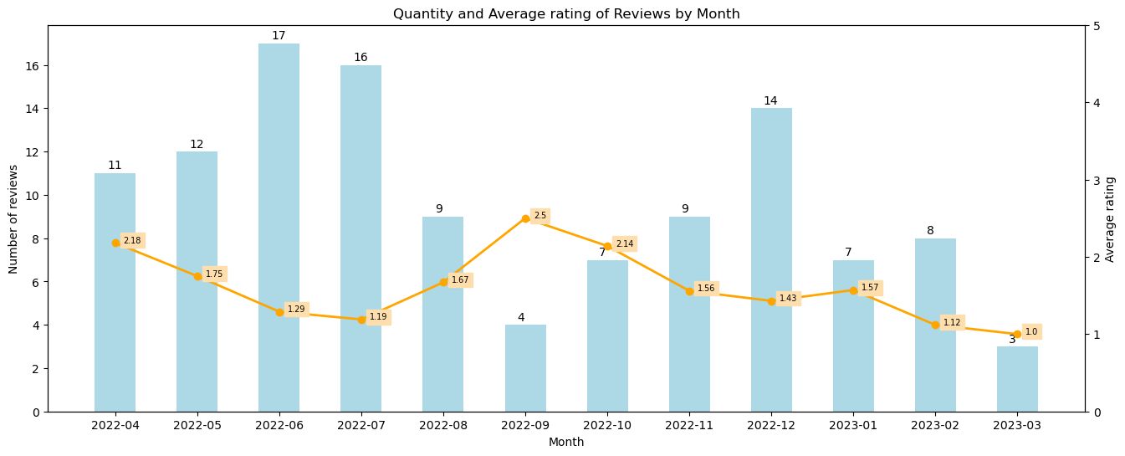
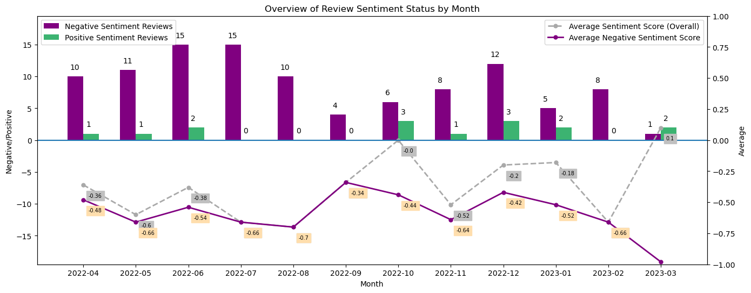
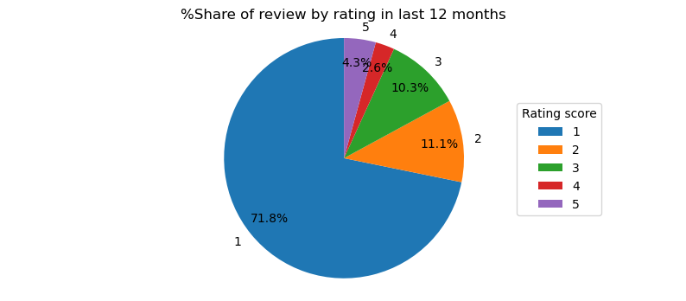
SENTIMENT
 |  | IOS

 | Total Reviews |  | AVG Rating | AVG Rating in 12M

 | 846 |  | 3.16 | 1.56

4-3
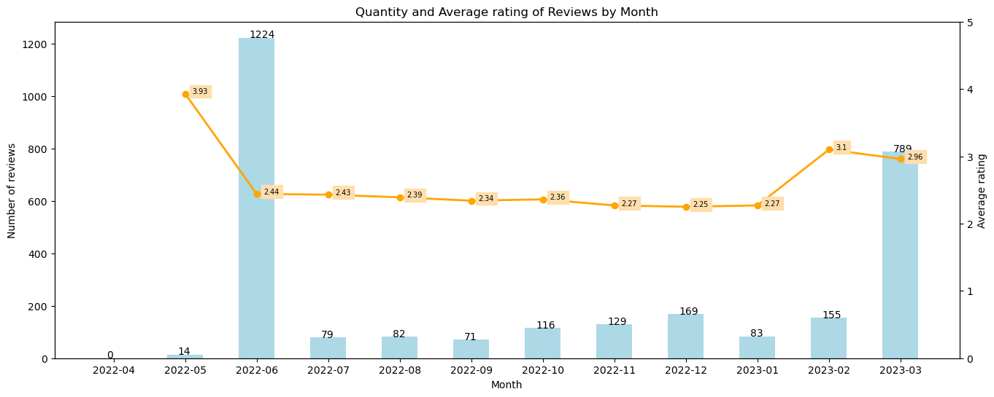
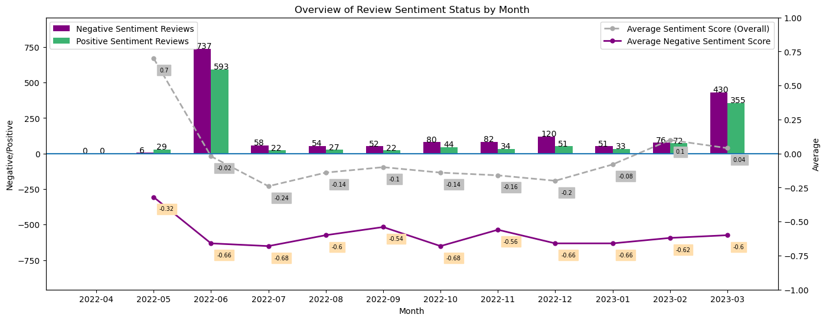
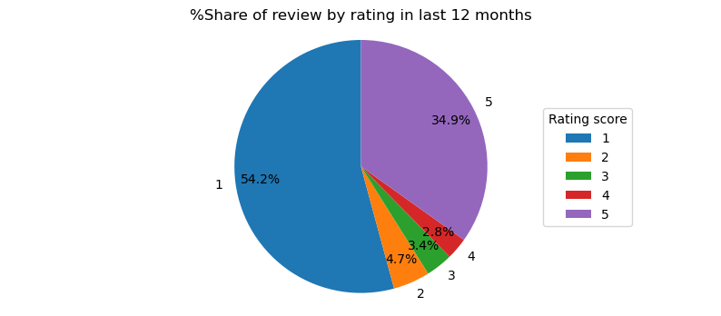
SENTIMENT
 |  | ANDROID

 | Total Reviews |  | AVG Rating | AVG Rating in 12M

 | 2911 |  | 2.59 | 2.59

4-4
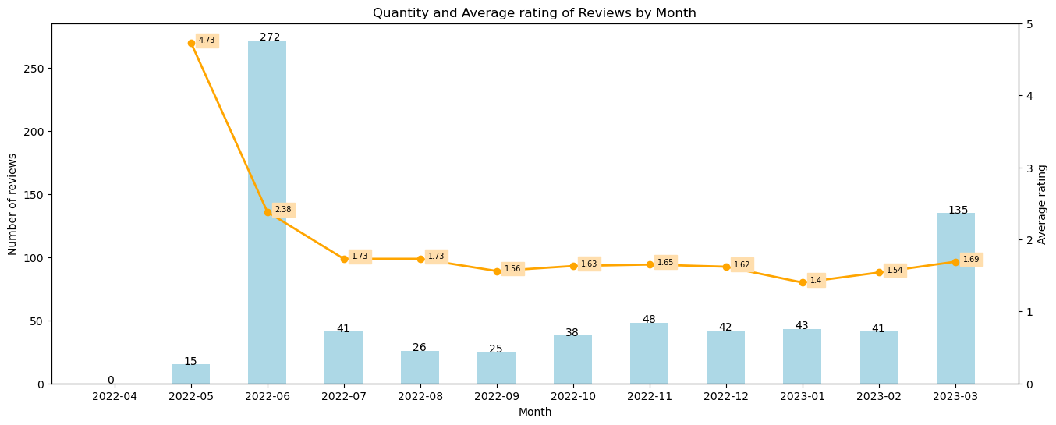
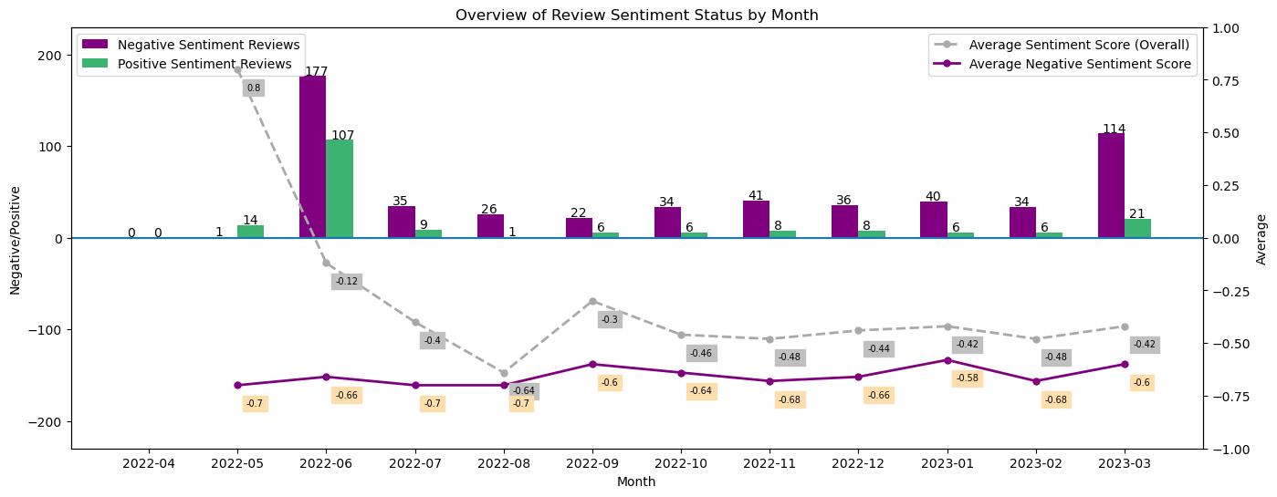
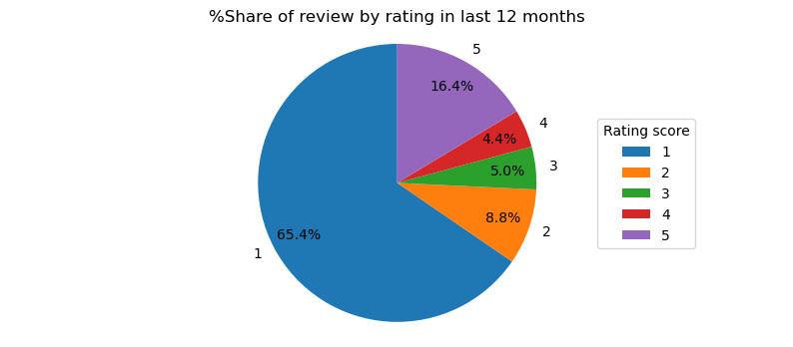
SENTIMENT
 |  | IOS

 | Total Reviews |  | AVG Rating | AVG Rating in 12M

 | 726 |  | 1.98 | 1.98

